GUI-TestingMMT
S. No. | GUI Description | Expected Value | Actual Value | Status/Remarks | Screenshots
1 | Testing the size, position, width, and height of the elements. | Elements should be appropriately sized and positioned according to the design layout. | Elements are sized and positioned correctly as per design. | PASSED
2 | Testing the spelling of all displayed text. | All text should be spelled correctly without any typos. | No spelling mistakes found on the page. | 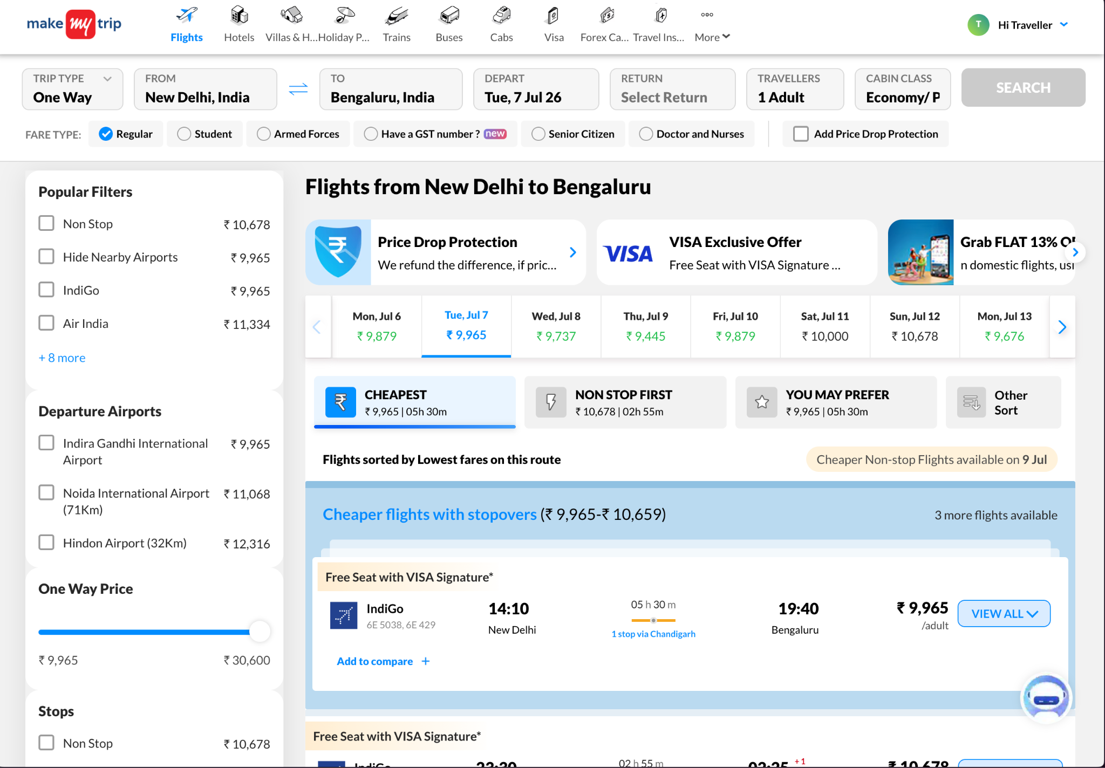 PASSED
3 | Testing the different sections of the screen. | Sections like header, search widget, and footer should be clearly separated. | Page sections are clearly defined and visible. | 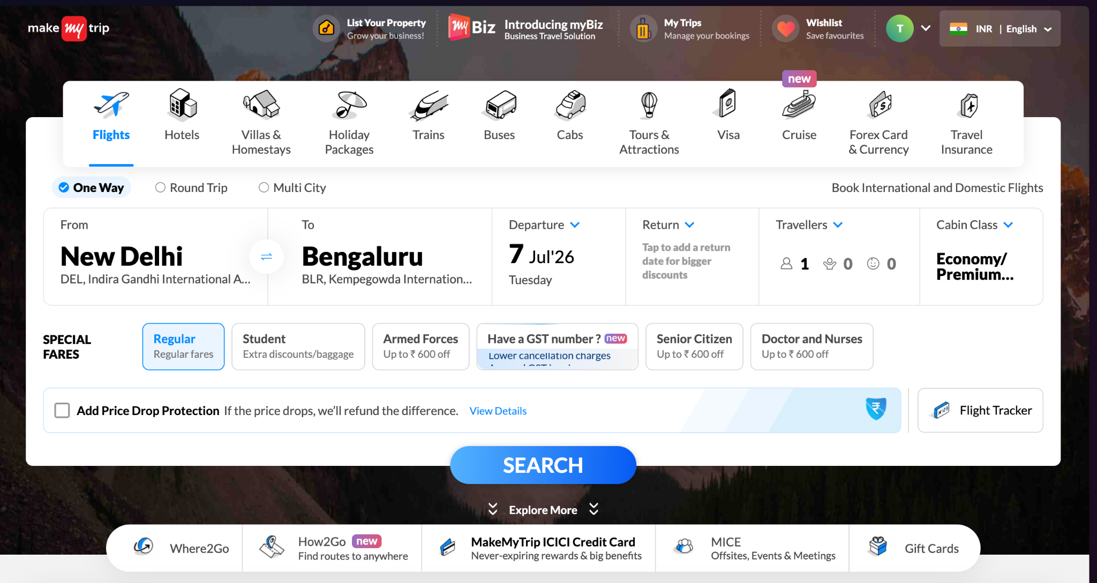 PASSED
4 | Testing whether the font is readable or not. | Font should be readable and consistent with MakeMyTrip brand guidelines. | Font is readable and consistent across the UI. | PASSED
5 | Testing whether images have good clarity. | Images and airline logos should be clear and not pixelated. | Images and logos display clearly without distortion. |  PASSED

